ChickenSales
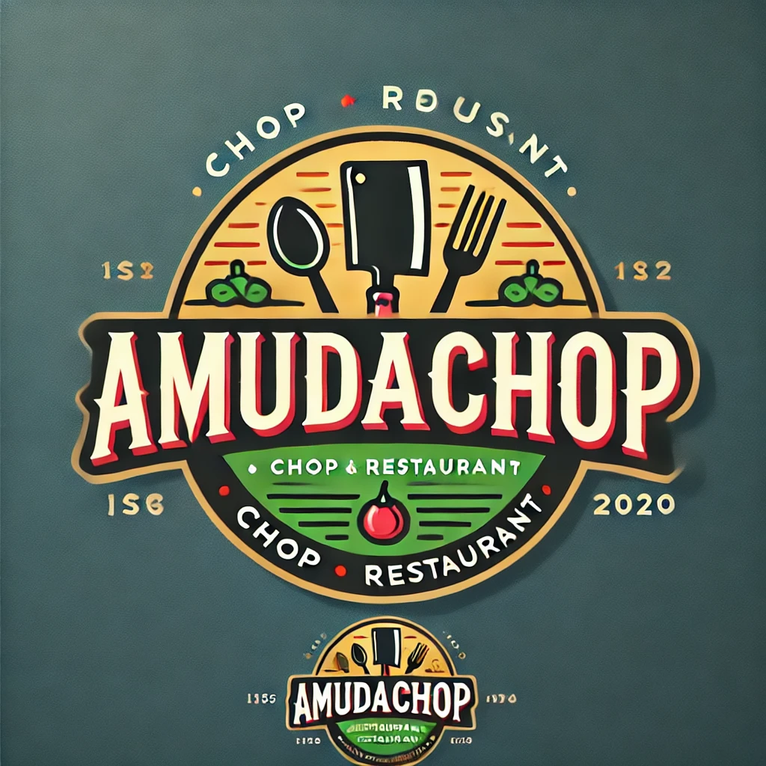 |  |  |  |  |  |  | Date: | 2024-09-29

Chicken Sales Analysis

Menu Item | Total Qty Projected | Total Qty Sold | Avg Monthly Qty Sold | Price | Total Revenue | % of Projection | Top Performer | Next On Sale | Sale Details
Chicken Wrap | 1389 | 1278 | 319.5 | £12.50 | £15,975.00 | 92% |  | On Sale | Sale Threshold | 95%
Cajun Chicken | 1287 | 1255 | 313.8 | £14.75 | £18,511.25 | 98% |  |  | Start Sale | 2016-11-01
Chicken Caliente | 638 | 652 | 163.0 | £15.25 | £9,943.00 | 102% |  | On Sale | End Sale | 2016-12-20
Chicken Fajitas | 2225 | 2304 | 576.0 | £16.00 | £36,864.00 | 104% | Best Item |  | Days on Sale | 49
Mesquite Chicken | 1530 | 1609 | 402.3 | £15.50 | £24,939.50 | 105%
Pasta with Chicken | 1761 | 1719 | 429.8 | £13.50 | £23,206.50 | 98%
Chicken Sales Revenue by Menu Item.
Actual Sales Quantities
Menu Item | Month 1 | Month 2 | Month 3 | Month 4 | Performance
Chicken Wrap | 230 | 326 | 391 | 331
Cajun Chicken | 276 | 308 | 386 | 285
Chicken Caliente | 207 | 156 | 165 | 124
Chicken Fajitas | 552 | 529 | 667 | 556
Mesquite Chicken | 391 | 377 | 455 | 386
Pasta with Chicken | 460 | 423 | 395 | 441

Projected Sales Quantities
Menu Item | Month 1 | Month 2 | Month 3 | Month 4
Chicken Wrap | 400 | 322 | 345 | 322
Cajun Chicken | 299 | 340 | 349 | 299
Chicken Caliente | 216 | 138 | 188 | 96
Chicken Fajitas | 464 | 524 | 653 | 584
Mesquite Chicken | 358 | 363 | 409 | 400
Pasta with Chicken | 469 | 418 | 460 | 414

ChickenSales (2)
 |  |  |  |  |  |  | Date: | 2024-09-29

Chicken Sales Analysis

Menu Item | Total Qty Projected | Total Qty Sold | Avg Monthly Qty Sold | Price | Total Revenue | % of Projection | Top Performer | Next On Sale | Sale Details
Cajun Chicken | 1287 | 1255 | 313.8 | £14.75 | £18,511.25 | 98% |  |  | Start Sale | 2016-11-01
Pasta with Chicken | 638 | 652 | 163.0 | £13.50 | £8,802.00 | 102% |  | On Sale | End Sale | 2016-12-20
Chicken Caliente | 2225 | 2304 | 576.0 | £15.25 | £35,136.00 | 104% | Best Item |  | Days on Sale | 49
Chicken Fajitas | 1530 | 1609 | 402.3 | £16.00 | £25,744.00 | 105%
Mesquite Chicken | 1761 | 1719 | 429.8 | £15.50 | £26,644.50 | 98%
Chicken Sales Revenue by Menu Item.
 | Total Revenue
Cajun Chicken | £18,511.25
Pasta with Chicken | £8,802.00
Chicken Caliente | £35,136.00
Chicken Fajitas | £25,744.00
Mesquite Chicken | £26,644.50
Total | 7441 | 7539 |  |  | £114,837.75 |  |  | 5
Actual Sales Quantities
Menu Item | Month 1 | Month 2 | Month 3 | Month 4 | Performance
Chicken Wrap | 230 | 326 | 391 | 331
Cajun Chicken | 276 | 308 | 386 | 285
Chicken Caliente | 207 | 156 | 165 | 124
Chicken Fajitas | 552 | 529 | 667 | 556
Mesquite Chicken | 391 | 377 | 455 | 386
Pasta with Chicken | 460 | 423 | 395 | 441

Projected Sales Quantities
Menu Item | Month 1 | Month 2 | Month 3 | Month 4
Chicken Wrap | 400 | 322 | 345 | 322
Cajun Chicken | 299 | 340 | 349 | 299
Chicken Caliente | 216 | 138 | 188 | 96
Chicken Fajitas | 464 | 524 | 653 | 584
Mesquite Chicken | 358 | 363 | 409 | 400
Pasta with Chicken | 469 | 418 | 460 | 414

